LAB
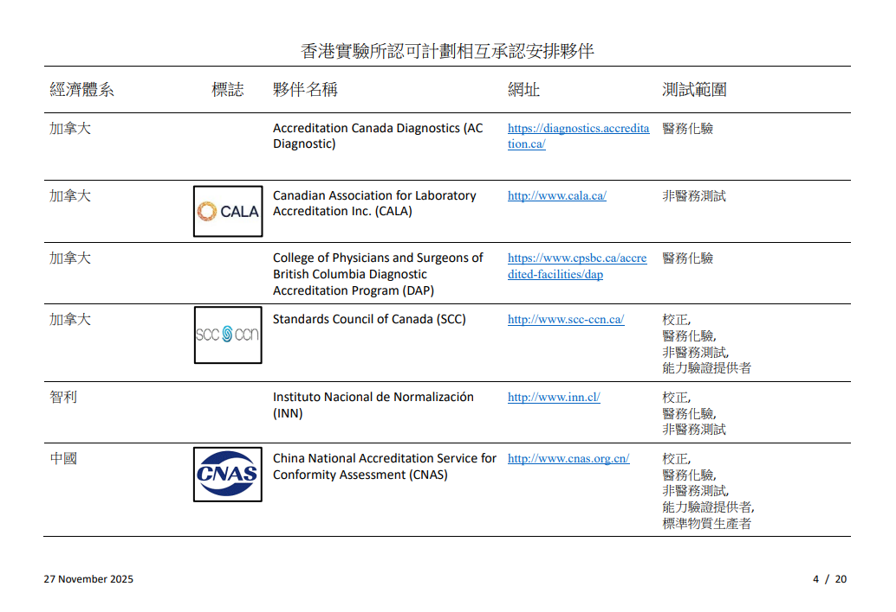
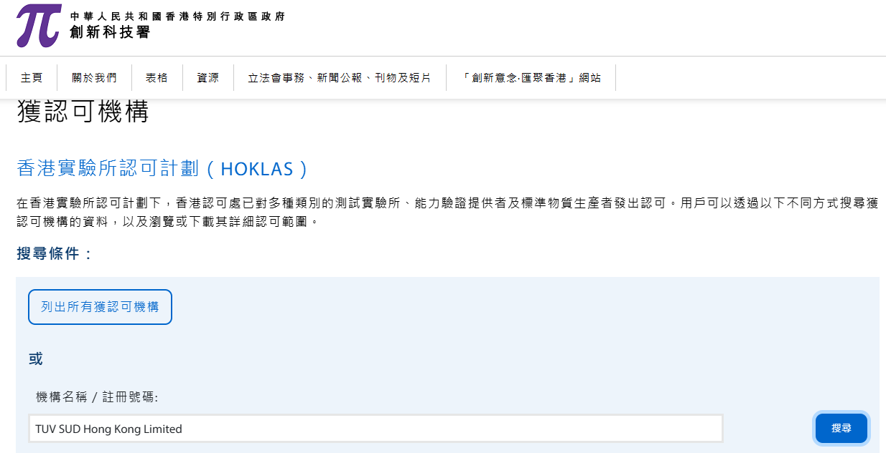
香港實驗所認可計劃(HOKLAS) - 相互承認安排(MRA)
https://www.itc.gov.hk/ch/quality/hkas/information/mra_mla_arrangements.html

香港實驗所認可計劃相互承認安排伙伴

